UF calendar
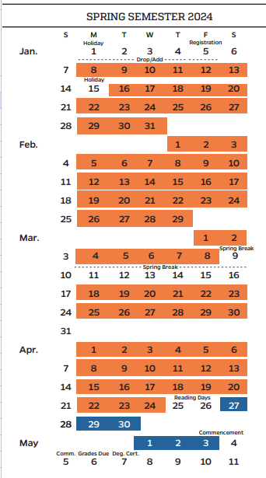
Time | Room
T | Period 10 (5:10 PM - 6:00 PM) R | Period 10 - 11 (5:10 PM - 7:05 PM) | CAR 100

